Template - Phase 2
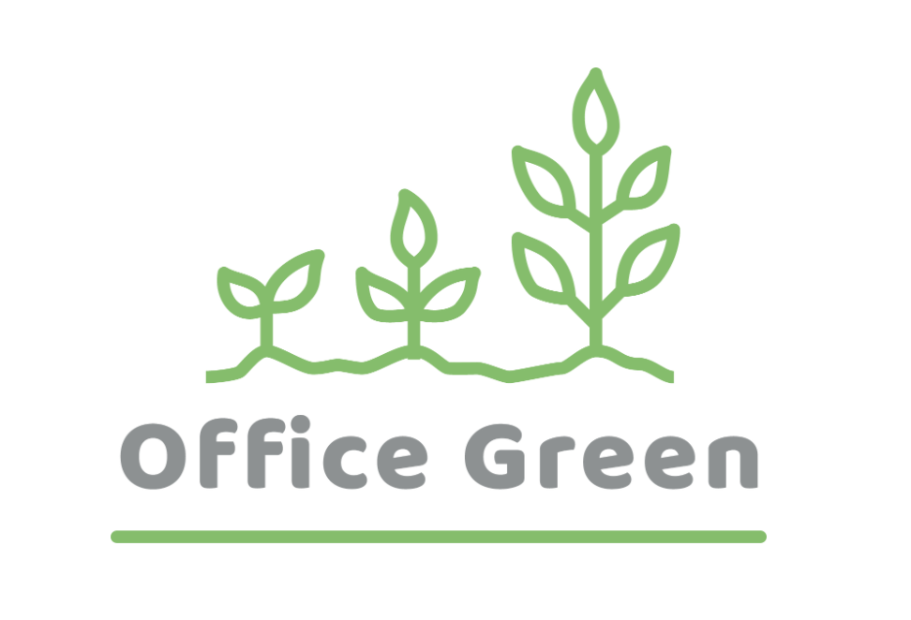
R - Responsible | Completes the deliverable or task.
A - Accountable | Makes final decisions and signs off on task completion. Only 1 per task.
C - Consulted | An advisor, stakeholder, or subject matter expert who offers guidance before an action is taken.
I - Informed | Kept up to date on decisions made.
Plant Pals Landing Page | Web Manager | Graphic Designer | Web Developer | Quality Assusrance Tester | Content Writer | Web Designer
PHASE 2
Task/Deliverable
1. Design a landing page |  |  |  |  |  | R
2. Create a landing page mockup |  | R
3. Design image assets |  | R
4. Write content |  |  |  |  | R
5. Code the landing page |  |  | R
6. Test the landing page |  |  |  | R

